Calc
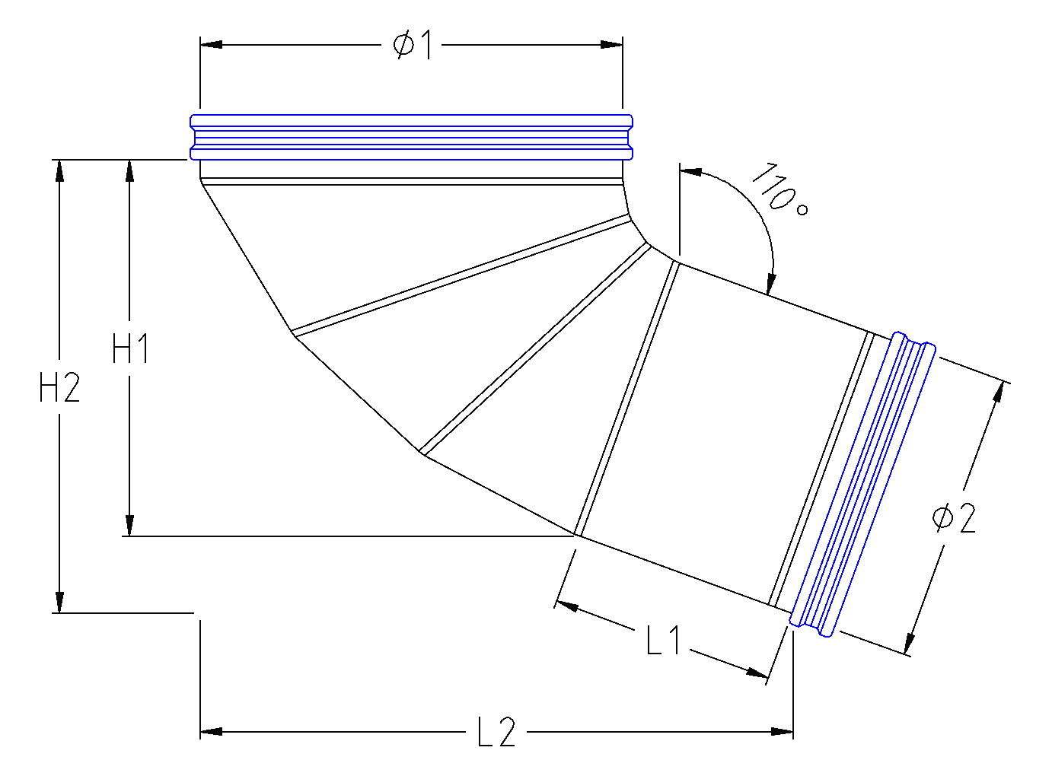
Corner Connector Calculator 1.4
 |  |  | ØACTUAL
 | Ø1:
 |  |  | ØACTUAL | EHACTUAL | IH1 | IH2 | AL1 | AL2
2 | Ø2:
 |  |  | CUFF
 | H1: |  |  | ILRADIUS | EL1 | EL2 | EL3 | EL4

 | L1: |  |  | min 45
 |  |  |  | EACRITICAL | EA1 | EA2 | EA3 | EA4 | EA5
 | H2: | (H2 & L2 are automatically calculated)
 |  |  |  | min 48°
 | L2:

 | Adjust H1 & L1 if different total dimensions (H2 & L2) are required (H1 & L1 are limited to 50mm increments).

 | ALL Dimensions in Millimetres

